Visualizations
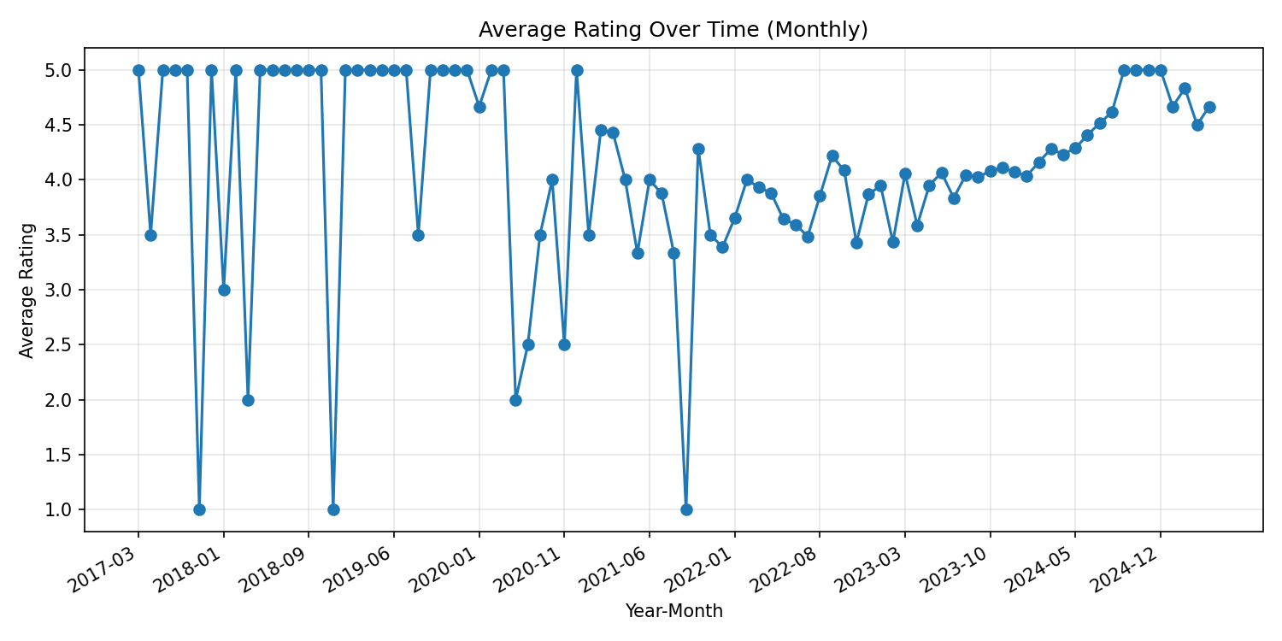
Amazon Reviews: KPI Summary & Visuals

Total Reviews | Avg Rating | % 5 Stars | % Verified | Top Product (by count)
4990 | 4.29 | 59.1% | 93.8% | B08X4YMTPM (125)

Distribution of Ratings
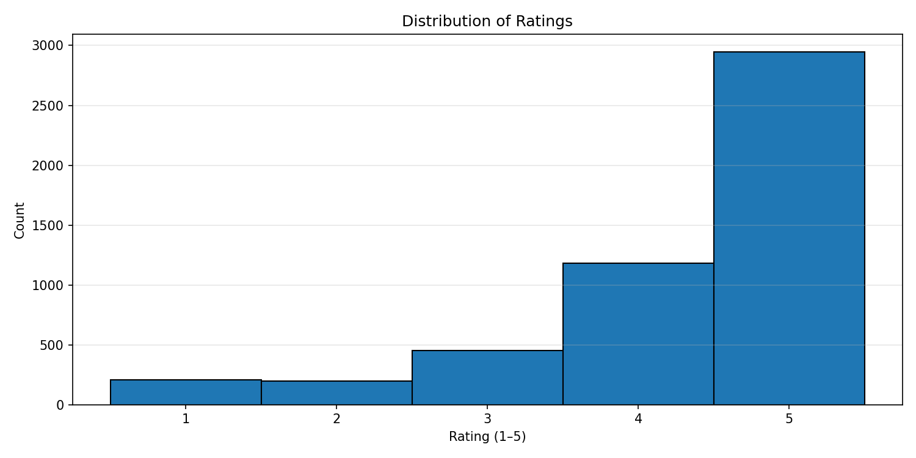

Ratings by Product (Top 6)
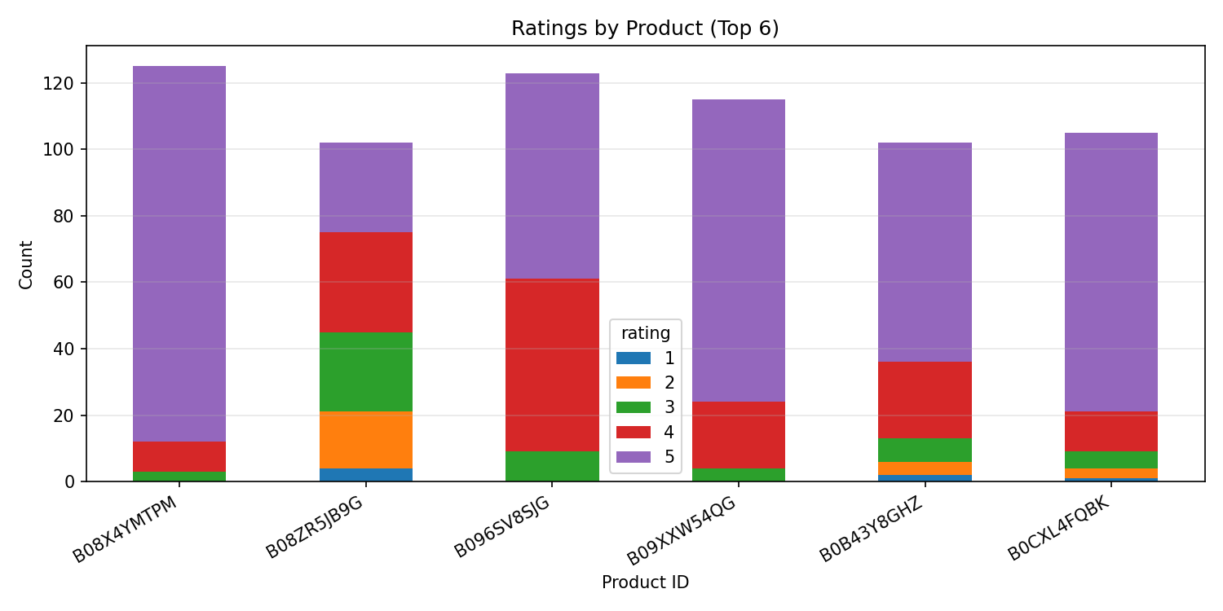

Rating Variability by Product
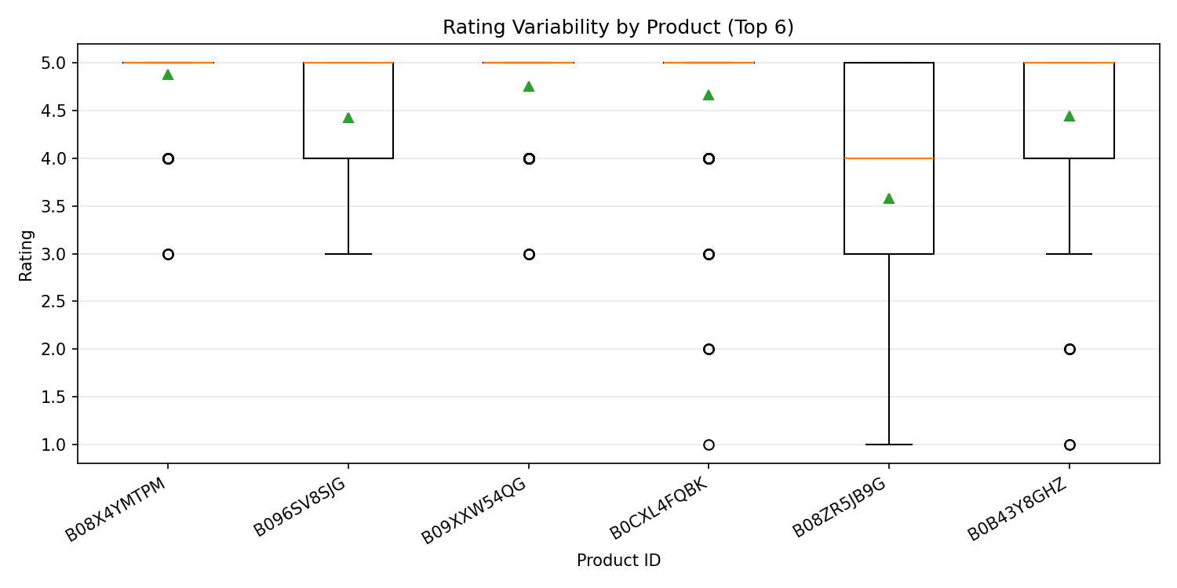

Average Rating Over Time (Monthly)

